BEARPAW
EXPORT ONLY OUT OF USA

BRAND | STYLE | IMAGE | TOT | 6 | 7 | 8 | 9 | 10 | 11
BEARPAW | MARINA | 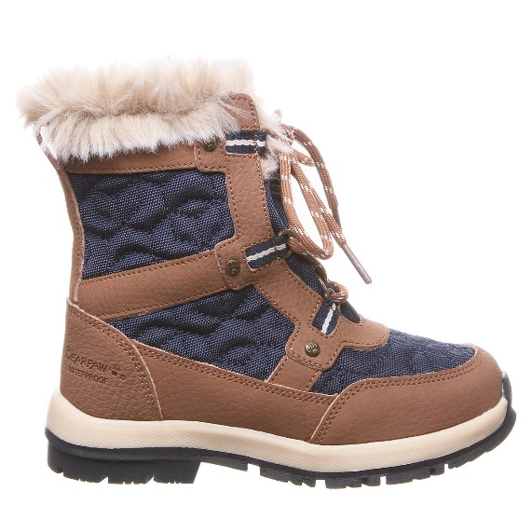 | 673 |  | 223 |  | 236 | 214
BEARPAW | EVA SHORT | 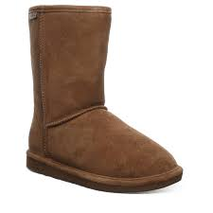 | 288 | 6 | 42 | 84 | 84 | 60 | 18
BEARPAW | ELLE SHORT | 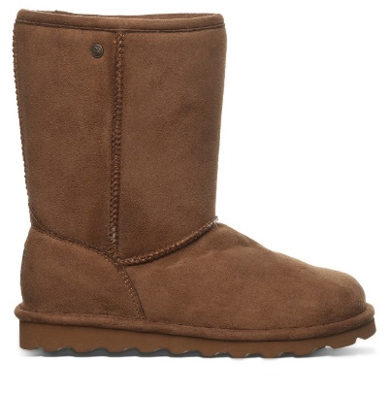 | 828 | 12 | 102 | 312 | 270 | 126 | 18

